assembly
ASSEMBLY CHECK SHEET |  |  |  |  |  | WO NUMBER |  |  |  |  |  | DOCUMENT NO |  |  | RC/QR04/EG/12/03
TENSION PULLEY |  |  |  |  |  | COMP.MODEL |  |  |  |  |  | PUBLIC DATE
 |  |  |  |  |  | COMP.S/N |  |  |  |  |  | REVISION NO
6D170-5 SERIES |  |  |  |  |  | UNIT MODEL |  |  |  |  |  | PAGE

PROCESS |  | START |  |  |  |  |  |  | ASSEMBLY BY
 |  | FINISH

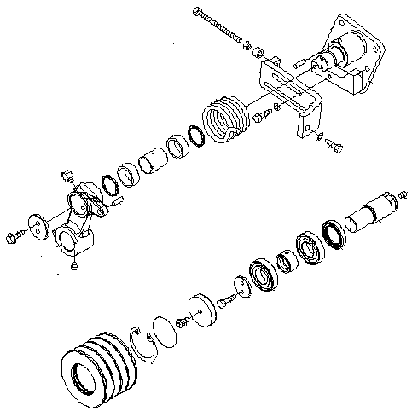
NO | PART TO INSTALL OR FIT |  | CONDITION TOBE ASSAMBLY |  |  |  |  | SPECIFICATION | SIGNATURE |  | SKETCH DRAWING OR PHOTHOES
 |  |  |  |  |  |  |  |  | MECH | GL/QA
1 | ALL PART

 |  |  | Confirm that Parts which have order do not DAMAGE,SCRATCH FREE FROM DIRT AND COROTION.

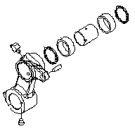
1
2
3
4
5
6
2 | TENSION LEVER
 |  |  |  | Make sure tension lever(8) is clean and free from damage.

 |  |  |  | Reamer bearing seat hole then install inner race(3) and neddle bearing(1). |  |  |  | Using special tool for press (F2)

 |  |  |  | Install dust seal (4). |  |  |  | Using special tool

8
 |  |  |  | Install shaft(6) to lever tension pulley(8). |  |  |  | Using special tool for press (F2)
7
 |  |  |  | Insert plug(7),dowel(2) and elbow(5)

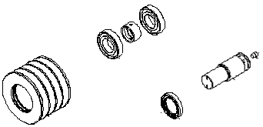
3
2
3 | PULLEY ASSEMBLY
 |  |  |  | Make sure pulley is clean and free from damage.
1
5
 |  |  |  | Install oil seal (4) to the shaft. |  |  |  | Using special tool.
4
 |  |  |  | Install bearing(2) and the spacher(3) to the pulley(1). |  |  |  | Using special tool for press (F2)

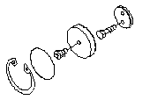
7
6
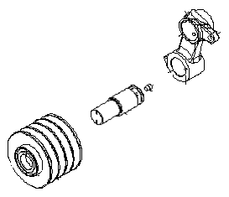
5
4
4 | PULLEY,SHAFT AND LEVER ASSY
 |  |  |  | Install shaft assy(2) to tension lever assy(1). |  |  |  | Using press tool

 |  |  |  | Install Pulley assy(3) to shaft assy(2).

1
 |  |  |  | Install Cover lock(4) ,then tighten mounting bolt.

2
 |  |  |  |  | Actual= Kgm |  |  | 3,2 ± 0,3 Kgm

3
 |  |  |  | Install cover(5),o ring(6) , snapring(7) and plug.

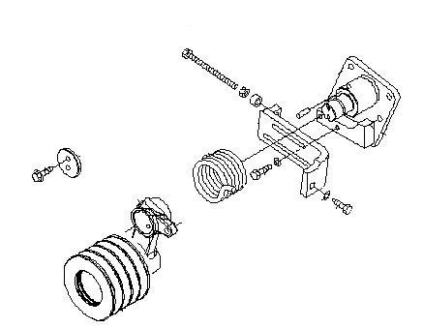
1
5 | ASSEMBLY LEVER ASSY AND TENSION SHAFT
 |  |  |  | Install bracket(2),spring(3) and shaft assy(1).
5
3
 |  |  |  | Mounting barcket(2) to shaft(1) and tighten.

2
 |  |  |  | Install lever assy(4) to shaft(1).

 |  |  |  | Install cover (5),mounting bolt and tighten.
4
 |  |  |  |  | Actual= Kgm |  |  | 6,7 ± 0,7 Kgm

6 | FITTING GREASE AND PLUG
 |  |  |  | Install fitting grease and plug ,then tighten.

 |  |  |  | Give all surface pulley with grease to protect from rust.

NOTE :

3

 | ASSEMBLY BY |  |  |  |  |  | INSPECTED BY |  |  |  |  |  |  | APPROVED BY

 | MECHANIC |  |  |  |  |  | Quallity Assurance(QA) |  |  |  |  |  | GL/SPV PRODUCTION

measuring
MEASUREMENT CHECK SHEET |  |  |  |  |  |  | WO NUMBER |  |  |  |  | DOCUMENT NO |  |  | RC/QR03/EG/11/04
FRONT PTO PULLEY |  |  |  |  |  |  | COMP.MODEL |  |  |  |  | PUBLIC DATE
 |  |  |  |  |  |  | COMP.S/N |  |  |  |  | REVISION NO
SA6D140-2 |  |  |  |  |  |  | UNIT MODEL |  |  |  |  | PAGE

PROCESS |  |  | START |  |  |  |  |  | MEASUREMENT BY
 |  |  | FINISH

NO | PART TO MEASURING OR INSPECT |  |  | STANDARD VALUE TABLE

1 | FRONT PTO PULLEY

2
1

 |  |  |  |  |  |  |  |  |  |  |  |  |  | unit:mm
 |  |  |  |  | NO | CHECK ITEM |  | CRITERIA |  |  |  | ACTUAL
 |  |  |  |  |  |  |  | STANDART SIZE |  | POSITION

 |  |  |  |  | 1 | Outside diameter of shaft |  | 19.002 ~ 19.015 |  | 1 | X
 |  |  |  |  |  |  |  |  |  |  | Y
 |  |  |  |  |  |  |  |  |  | 2 | X
 |  |  |  |  |  |  |  |  |  |  | Y
 |  |  |  |  |  | Inside Diameter of Gear |  | 18.972 ~ 18.951 |  | 1 | X
 |  |  |  |  |  |  |  |  |  |  | Y
 |  |  |  |  |  |  |  |  |  | 2 | X
 |  |  |  |  |  |  |  |  |  |  | Y
 |  |  |  |  |  | Interference between OD shaft & ID gear |  | 0.030 ~ 0.064

 |  |  |  |  | 2 | Outside diameter of shaft |  | 18.002 ~ 18.015 |  | 1 | X
 |  |  |  |  |  |  |  |  |  |  | Y
 |  |  |  |  |  |  |  |  |  | 2 | X
 |  |  |  |  |  |  |  |  |  |  | Y
 |  |  |  |  |  | Inside Diameter of Pulley |  | 17.972 ~ 17.951 |  | 1 | X
 |  |  |  |  |  |  |  |  |  |  | Y
 |  |  |  |  |  |  |  |  |  | 2 | X
 |  |  |  |  |  |  |  |  |  |  | Y
 |  |  |  |  |  | Interference between OD shaft & ID pulley |  | 0.030 ~ 0.064

 |  |  |  |  | 3 | VISUAL CHECK |  | NO SCRATCH

 | NOTE

 |  | MECHANIC |  |  |  |  |  |  |  |  |  |  | GROUP LEADER (GL)

